WS-CALIBRATION
VIBROMATER CALIBRATION
1.Open COVA software
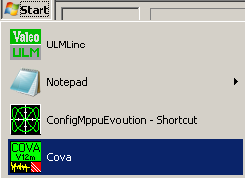

2.Select Maintenance Mode
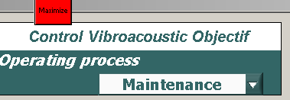

3.Enter Password for Maintenance Mode ("M")
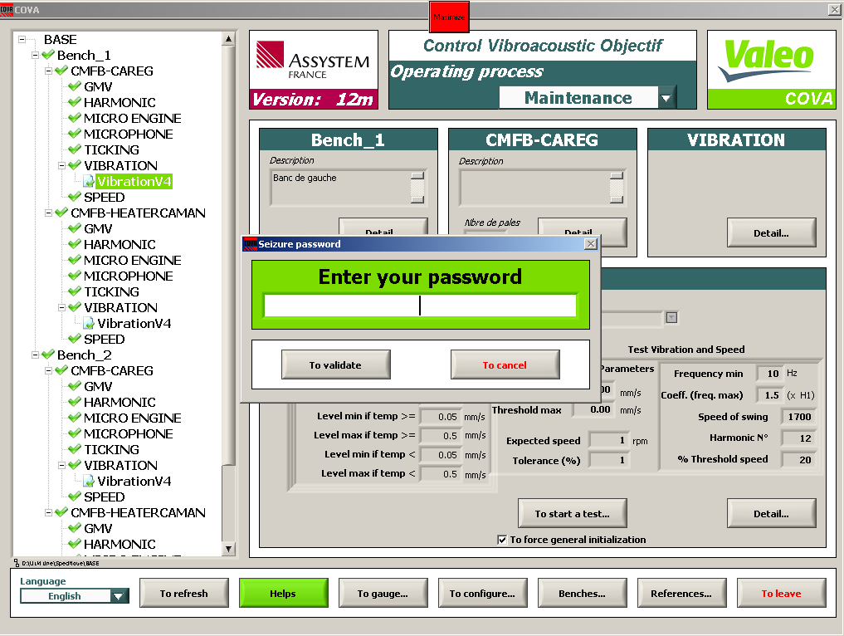

4.Push on "To GAUGE"

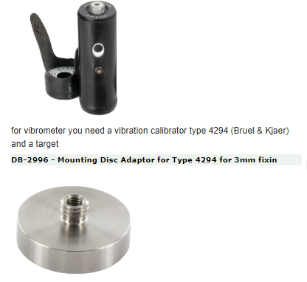
5.Place jig on drawer and take calibrator
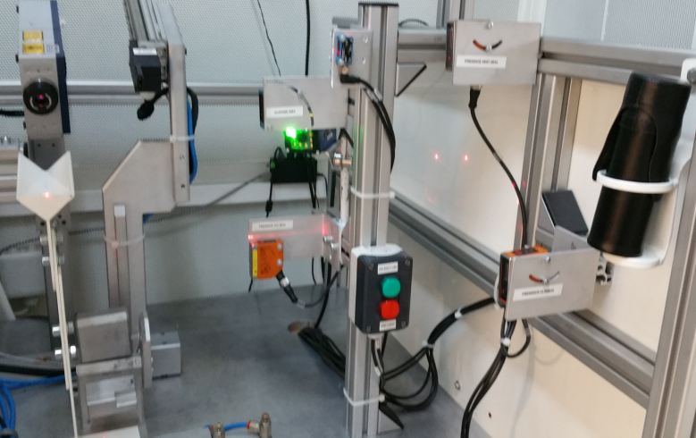

6.Place calibrator on jig
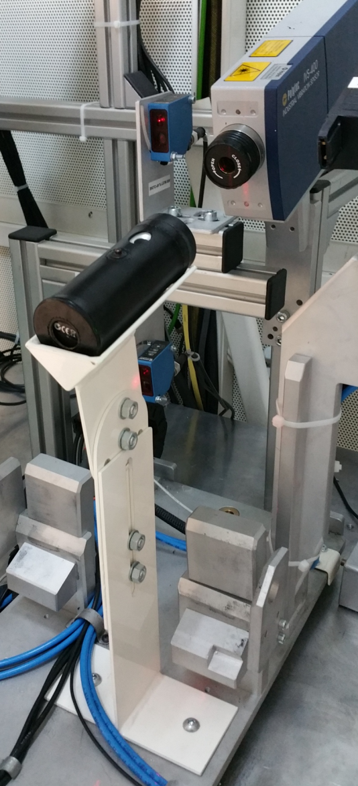

7.Select the sensor to calibrate : Bench_1\myvib1
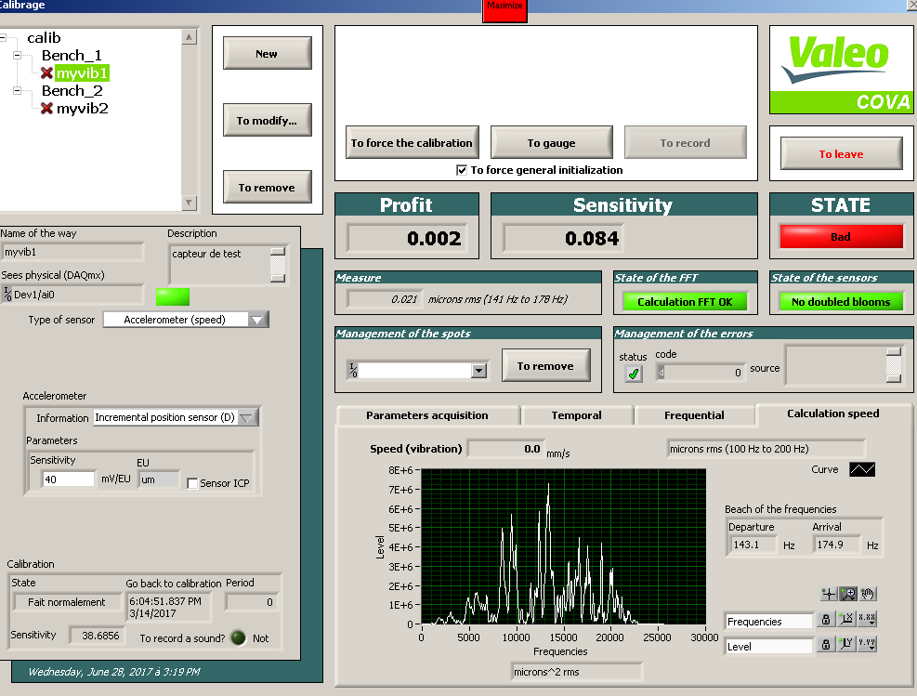

8.START calibrator
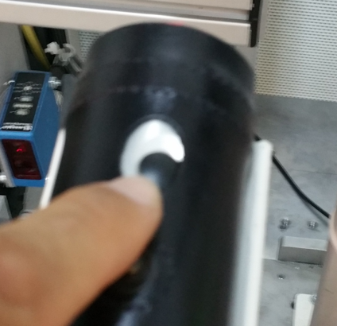

9.Click on "TO GAUGE"

10.Calibration is RUNNING
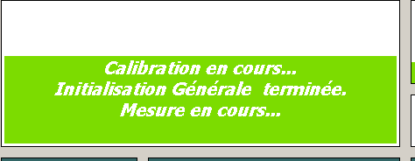

11.RESULT is OK : | STATE==GOOD
Measure must be near 10 micron rms


RESULT is NOK : | STATE==BAD
 | check power of calibrator, of vibrometer, wires connections,…
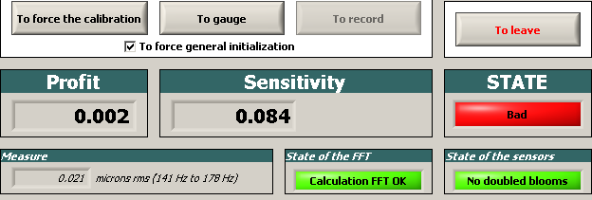

12.Click on "TO RECORD", sensor checked pass in green

